Instructions
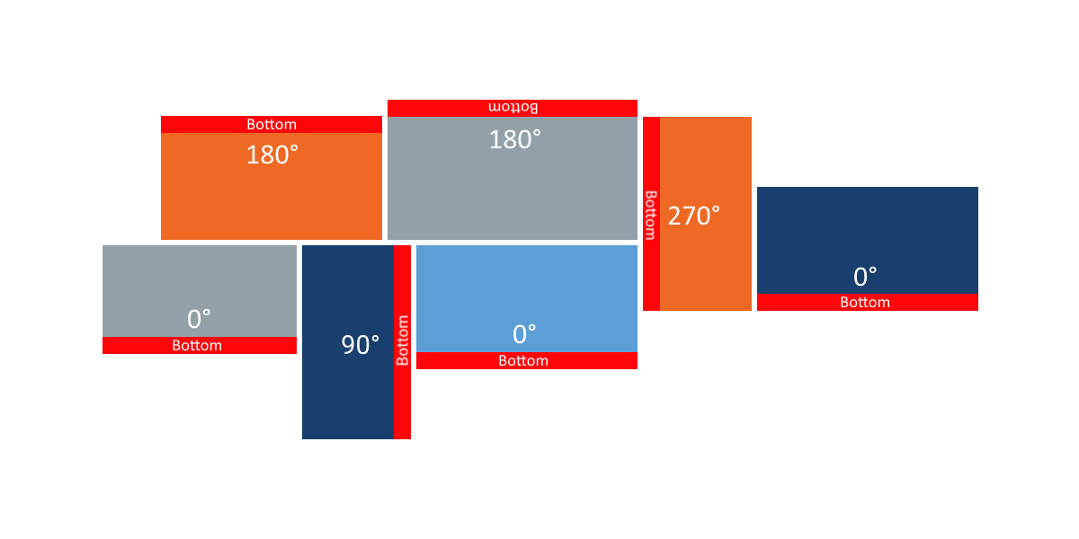
A Mosaic Video Wall is a group of displays of different sizes in landscape or portrait orientation.
To setup a Mosaic Video Wall, you will need
 | Tape measurer
 | Computer with access to Just Add Power devices
Use any unit of measurement
Read through the instructions below, then go to the next tab to enter measurements and get the layout command

Formatting | Meaning
Input Box | Boxes like this are for user input Fill in these boxes with measurements and other collected data
Calculation Box | Boxes like this are for spreadsheet calculations. Data is entered automatically. Do not input data here.
Verification Box | Boxes like this are for data verification. Follow instructions printed here. Do not input data here.
Output Box | Boxes like this hold text to copy+paste into other applications Do not input data here.

Term | Definition
Canvas | Rectangular area that encompasses all displays
Canvas Width | Distance from the left-most pixel of the left-most TV to the right-most pixel of the right-most TV.
Canvas Height | Distance from the top-most pixel of the top-most TV to the bottom-most pixel of the bottom-most TV
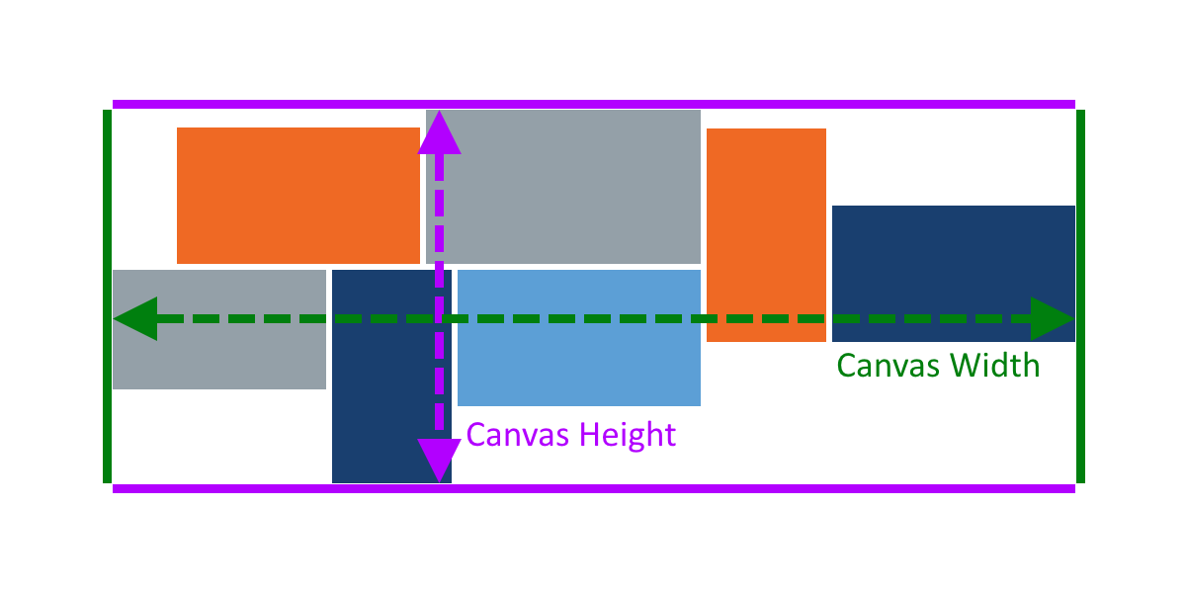
Viewable Width | Pixel-to-pixel width of a display. Do not measure the frame of the display.
Viewable Height | Pixel-to-pixel height of a display. Do not measure the frame of the display.
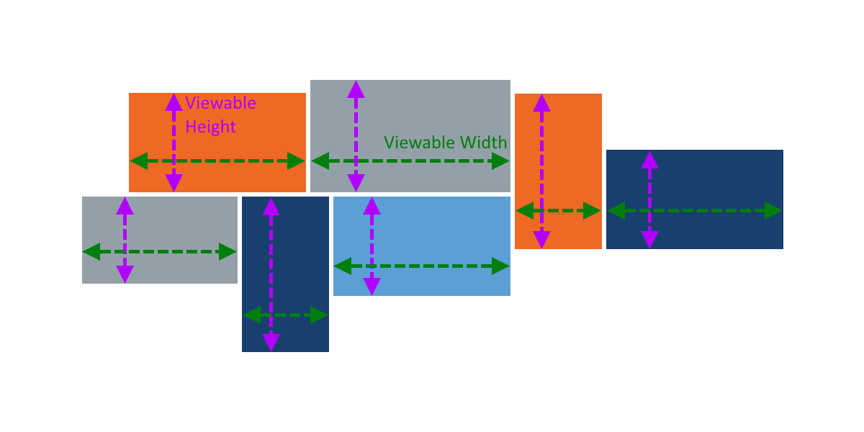
Left Offset | Distance from the left edge of the canvas to the left-most pixel of the display
Top Offset | Distance from the top edge of the canvas to the top-most pixel of the display
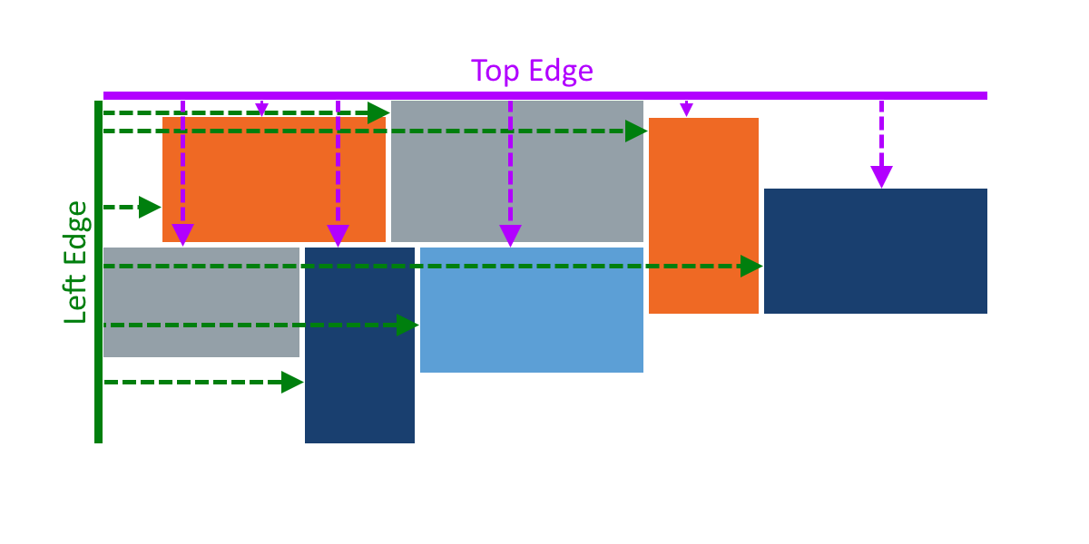
Rotation | Counter-clockwise rotation of the display. Options are 0, 90, 180, 270

